Intermediate
MS EXCEL INTERMEDIATE PRACTICAL ASSESMENT - LEVEL 2

 | Table A
 | Sales Person | Gender | Quotes | Sales ( in Volume) | Sales ( in Value) | Sold Month and Year | month |  | month | Sales ( in Value)
 | Cara | F | 70 | 10 | 800 | 12013 | 1 |  | 1 | 3200
 | Jessy | M | 30 | 7 | 400 | 12013 | 1 |  | 3 | 400
 | Annie | F | 20 | 2 | 2000 | 12013 | 1 |  | 4 | 1200
 | Stu | M | 30 | 0 | 0 | 12013 | 1 |  | 5 | 400
 | Aaaron | M | 10 | 1 | 0 | 12014 | 1 |  | 7 | 0
 | Lewis | M | 40 | 5 | 400 | 32013 | 3 |  | 8 | 2800
 | Tommy | M | 24 | 3 | 1200 | 42013 | 4 |  | 9 | 4400
 | Jack | M | 10 | 1 | 0 | 52013 | 5
 | Hugo | M | 30 | 1 | 400 | 52013 | 5
 | Jonathan | M | 14 | 1 | 0 | 72013 | 7
 | Willy | M | 12 | 0 | 2800 | 82013 | 8
 | Sarah | F | 10 | 0 | 4000 | 92013 | 9
 | Zara | M | 15 | 0 | 400 | 92013 | 9

 | Using Table A, Derive the Table B | Weightage | 5

 | *Answers without Formula will be considered as Void. Also ensure that any error needs to be shown as "-".
 | Table B | 12013 | 22013 | 32013 | 42013 | 52013 | 62013 | 72013 | 82013 | 92013 | 102013 | 112013 | 122013
 | Quotes | 70, 30, 20 | - | 40 | 24 | 10, 30 | - | 14 | 12 | 10, 15 | - | - | -
 | Sales % (for Value) for the policies sold by Men | 3 | 0 | 3 | 10 | 3 | 0 | 0 | 23 | 3 | 0 | 0 | 0
 | Max Sales Month Wise | 2000 | 0 | 400 | 1200 | 400 | 0 | 0 | 2800 | 4000 | 0 | 0 | 0
 | Total sales(value) | 3200 | 0 | 400 | 1200 | 400 | 0 | 0 | 2800 | 4400 | 0 | 0 | 0

 | Using Table B,Create a Chart that shows the total Sales(value) earned month wise. Populate the Chart only on the box below, otherwise the Graph will be considered void.

Total Sales per Month
12013 | 3200
32013 | 400
42013 | 1200
52013 | 400
82013 | 2800
92013 | 4400
 |  |  |  |  |  |  |  |  | Weightage | 5

 | Create a Pivot table using Table A ,showing the below in rows and columns |  |  |  |  |  |  |  | Weightage | 5
 | row Heading - Month
 | Column Heading - Sales person's count, Sales in value and calculated field of commission if 10% of Gross premium is paid per agent
 | Populate the Chart only on the box below, otherwise the Graph will be considered void.

 | Row Labels | Sum of Sales ( in Value) | Count of Sales Person | Gross Premium
 | 1 | 3200 | 5 | 320
 | 3 | 400 | 1 | 40
 | 4 | 1200 | 1 | 120
 | 5 | 400 | 2 | 40
 | 7 | 0 | 1 | 0
 | 8 | 2800 | 1 | 280
 | 9 | 4400 | 2 | 440
 | Grand Total | 12400 | 13 | 1240

 |  |  |  |  |  |  |  |  | Weightage | 5

 | Import the data available in the notepad in to the Excel and create a table. |  |  |  |  |  |  |  | Weightage | 4

 | With the imported data create a Table with the following Conditional Formatting |  |  |  |  |  |  |  | Weightage | 4
 | Age Less than 20, Cells to be filled with Dark Blue and White font
 | Age More than 20, Cells to be filled with Black and White font
 | Gender Female , Cells to be filled with Dark Grey and White font
 | Gender male , Cells to be filled with Dark Green and White font
 | Identify Duplicates in the names column and Fill the cells with Yellow

 | Once the data is imported, create a New file and save as Customer data and encrypt with a password as "WNS@123" |  |  |  |  |  |  |  | Weightage | 2

 | Populate the data only on the box below, otherwise it will be considered void.

 | Name | Gender | Age | Location | Hobby
 | Ana | F | 21 | Newyork | Cricket
 | Alex | M | 22 | Idaho | Reading
 | zoey | F | 30 | Kensas | Music
 | tamara | F | 24 | California | Fitness_Gym
 | sally | F | 19 | Boise | Dancing
 | Zack | M | 32 | Charlote | Dancing
 | Kiara | F | 22 | Charlote | Ice_Skating
 | Mike | M | 42 | Newyork | Football
 | Jay | M | 25 | Seatle | Football
 | Ben | M | 24 | California | Fitness_Gym
 | Stu | M | 38 | California | Hiking
 | Stu | M | 28 | Philadelphia | Hiking
 | Alex | M | 30 | Texas | Reading

Expert
 |  |  |  |  | MS EXCEL EXPERT PRACTICAL ASSESMENT - LEVEL 3

 | Expert
 | Q No | Q Sub No | Points |  | Questions

 | 6 | 6.1 | 25 |  | Create a Dashboard(format as shown in the picture) using the Table C
 |  |  |  |  |  |  |  | Table C
 |  |  |  |  |  |  |  | Region | Product | Customer Type | Sales Person - Name | Jan-08 | Feb-08 | Mar-08 | Apr-08 | May-08 | Jun-08 | Jul-08 | Aug-08 | Sep-08 | Oct-08 | Nov-08 | Dec-08 | Jan-09 | Feb-09 | Mar-09 | Apr-09 | May-09 | Jun-09 | Jul-09 | Aug-09 | Sep-09 | Oct-09 | Nov-09 | Dec-09 | Total
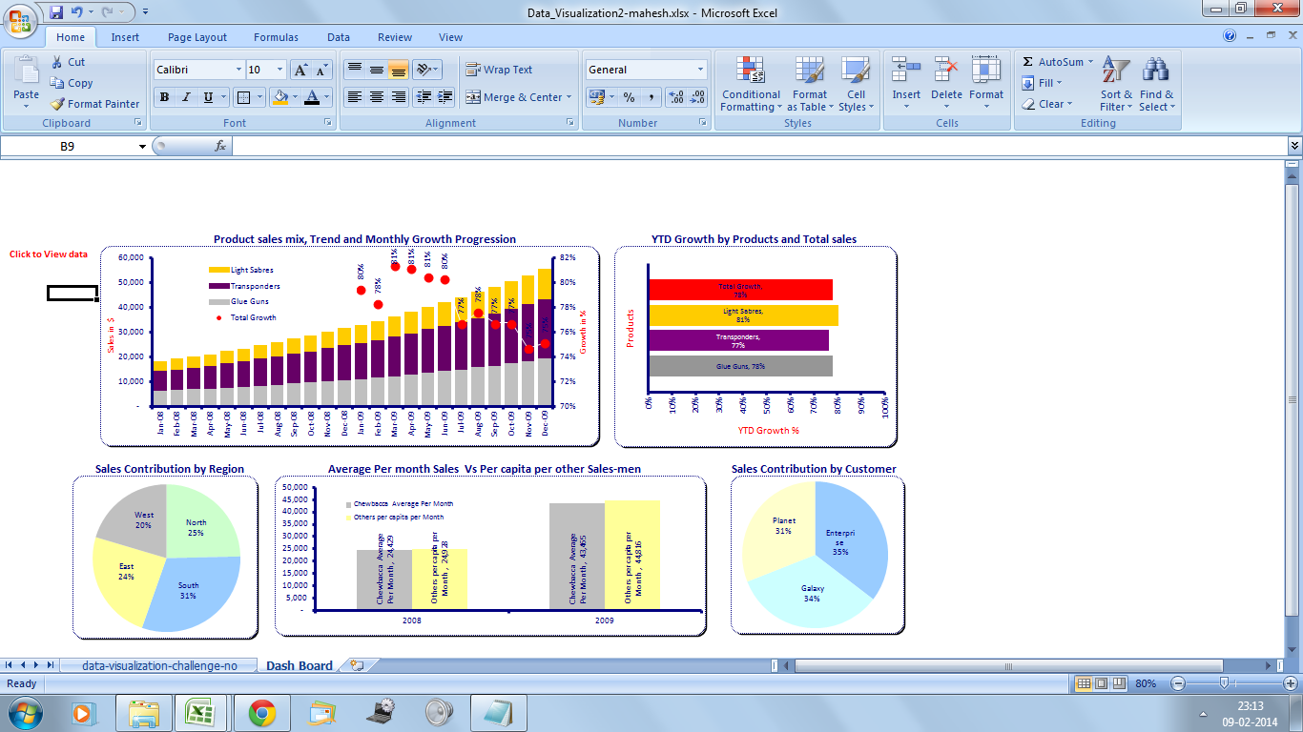
 |  |  |  |  | Populate the Chart only on the box below, otherwise the Graph will be considered void. |  |  | East | Light Sabres | Enterprise | James Kirk | 192 | 201 | 209 | 210 | 222 | 237 | 256 | 268 | 277 | 299 | 326 | 331 | 336 | 358 | 376 | 394 | 406 | 443 | 481 | 502 | 516 | 517 | 564 | 587 | 8,508 | Row Labels | Sum of Total
 |  |  |  |  |  |  |  | East | Light Sabres | Enterprise | Luke Skywalker | 784 | 821 | 890 | 962 | 1,014 | 1,077 | 1,078 | 1,097 | 1,185 | 1,231 | 1,302 | 1,414 | 1,517 | 1,615 | 1,615 | 1,738 | 1,860 | 1,949 | 2,129 | 2,253 | 2,472 | 2,648 | 2,781 | 2,966 | 38,398 | East | 904847
 |  |  |  |  |  |  |  | East | Light Sabres | Enterprise | Hansolo | 764 | 789 | 832 | 862 | 876 | 933 | 940 | 981 | 1,072 | 1,091 | 1,153 | 1,201 | 1,307 | 1,320 | 1,402 | 1,530 | 1,566 | 1,589 | 1,642 | 1,745 | 1,848 | 1,932 | 2,072 | 2,119 | 31,566 | North | 735082
 |  |  |  |  |  |  | AVIVA R&A MI DASHBOARD | East | Light Sabres | Enterprise | Chewbacca | 676 | 717 | 764 | 792 | 841 | 841 | 900 | 920 | 1,008 | 1,071 | 1,157 | 1,264 | 1,276 | 1,313 | 1,425 | 1,502 | 1,562 | 1,676 | 1,765 | 1,796 | 1,885 | 1,920 | 1,924 | 2,021 | 31,016 | South | 991570
 |  |  |  |  |  |  |  | East | Light Sabres | Galaxy | James Kirk | 697 | 742 | 791 | 851 | 871 | 928 | 991 | 1,077 | 1,089 | 1,119 | 1,133 | 1,169 | 1,172 | 1,226 | 1,314 | 1,431 | 1,525 | 1,617 | 1,657 | 1,792 | 1,888 | 1,925 | 2,000 | 2,152 | 31,157 | West | 694003
Total Sales by Sales Person
Month over Month Growth
Customer Sales Contribution
 |  |  |  |  |  |  |  | East | Light Sabres | Galaxy | Luke Skywalker | 356 | 369 | 369 | 384 | 400 | 435 | 468 | 499 | 543 | 558 | 607 | 649 | 709 | 745 | 799 | 864 | 897 | 952 | 953 | 1,016 | 1,031 | 1,100 | 1,113 | 1,222 | 17,038 | Grand Total | 3325502
 |  |  |  |  |  |  |  | East | Light Sabres | Galaxy | Hansolo | 40 | 41 | 43 | 47 | 49 | 53 | 56 | 60 | 63 | 65 | 69 | 74 | 80 | 81 | 88 | 95 | 101 | 105 | 112 | 114 | 124 | 128 | 133 | 139 | 1,960
 |  |  |  |  |  |  |  | East | Light Sabres | Galaxy | Chewbacca | 104 | 110 | 120 | 127 | 130 | 142 | 153 | 159 | 164 | 166 | 182 | 200 | 202 | 213 | 222 | 240 | 253 | 258 | 261 | 281 | 288 | 301 | 317 | 347 | 4,940 | Row Labels | Sum of Total
 |  |  |  |  |  |  |  | East | Light Sabres | Planet | James Kirk | 336 | 369 | 391 | 427 | 469 | 497 | 543 | 554 | 576 | 623 | 676 | 709 | 734 | 780 | 816 | 857 | 933 | 1,018 | 1,046 | 1,078 | 1,094 | 1,185 | 1,217 | 1,222 | 18,150 | Enterprise | 1239210
 |  |  |  |  |  |  |  | East | Light Sabres | Planet | Luke Skywalker | 310 | 319 | 323 | 335 | 348 | 351 | 371 | 389 | 405 | 442 | 442 | 465 | 480 | 497 | 523 | 562 | 611 | 620 | 655 | 716 | 721 | 753 | 780 | 853 | 12,271 | Galaxy | 1116815 |  |  |  |  | Row Labels | Sum of YTD Growth
 |  |  |  |  |  |  |  | East | Light Sabres | Planet | Hansolo | 727 | 742 | 798 | 866 | 882 | 930 | 1,002 | 1,029 | 1,104 | 1,204 | 1,293 | 1,315 | 1,442 | 1,552 | 1,572 | 1,699 | 1,805 | 1,937 | 2,069 | 2,098 | 2,106 | 2,133 | 2,289 | 2,385 | 34,979 | Planet | 969477 |  |  |  |  | Glue Guns | 0.81265024038
 |  |  |  |  |  |  |  | East | Light Sabres | Planet | Chewbacca | 466 | 479 | 480 | 523 | 561 | 591 | 604 | 635 | 644 | 654 | 684 | 739 | 758 | 782 | 792 | 809 | 856 | 885 | 954 | 1,039 | 1,123 | 1,149 | 1,176 | 1,223 | 18,606 | Grand Total | 3325502 |  |  |  |  | Light Sabres | 0.79725280656
 |  |  |  |  |  |  |  | East | Transponders | Enterprise | James Kirk | 114 | 124 | 130 | 133 | 138 | 148 | 157 | 168 | 181 | 198 | 206 | 224 | 246 | 257 | 270 | 289 | 310 | 314 | 333 | 344 | 345 | 377 | 414 | 419 | 5,839 |  |  |  |  |  |  | Transponders | 0.75215735755
 |  |  |  |  |  |  |  | East | Transponders | Enterprise | Luke Skywalker | 801 | 826 | 887 | 976 | 1,011 | 1,097 | 1,191 | 1,255 | 1,298 | 1,357 | 1,481 | 1,559 | 1,568 | 1,610 | 1,671 | 1,784 | 1,936 | 2,128 | 2,199 | 2,338 | 2,551 | 2,726 | 2,994 | 3,293 | 40,537 |  |  |  |  |  |  | Grand Total | 0.78722340683
 |  |  |  |  |  |  |  | East | Transponders | Enterprise | Hansolo | 912 | 940 | 965 | 1,052 | 1,122 | 1,164 | 1,257 | 1,320 | 1,401 | 1,475 | 1,598 | 1,609 | 1,684 | 1,833 | 1,915 | 1,978 | 2,031 | 2,092 | 2,301 | 2,333 | 2,442 | 2,443 | 2,558 | 2,762 | 41,187 |  | Column Labels
 |  |  |  |  |  |  |  | East | Transponders | Enterprise | Chewbacca | 847 | 878 | 962 | 1,004 | 1,075 | 1,174 | 1,283 | 1,357 | 1,377 | 1,422 | 1,548 | 1,699 | 1,745 | 1,773 | 1,950 | 2,028 | 2,176 | 2,306 | 2,316 | 2,419 | 2,539 | 2,700 | 2,968 | 3,125 | 42,671 | Values | Glue Guns | Light Sabres | Transponders | Grand Total
 |  |  |  |  |  |  |  | East | Transponders | Galaxy | James Kirk | 725 | 727 | 736 | 768 | 786 | 832 | 860 | 903 | 939 | 976 | 981 | 1,032 | 1,120 | 1,134 | 1,194 | 1,233 | 1,286 | 1,366 | 1,440 | 1,581 | 1,693 | 1,827 | 1,838 | 2,006 | 27,983 | Jan 08 | 27337 | 21951 | 25714 | 75002
 |  |  |  |  |  |  |  | East | Transponders | Galaxy | Luke Skywalker | 65 | 69 | 76 | 79 | 87 | 95 | 97 | 100 | 109 | 111 | 113 | 116 | 117 | 126 | 127 | 129 | 133 | 136 | 141 | 149 | 154 | 170 | 186 | 193 | 2,878 | Feb 08 | 28769 | 23059 | 26791 | 78619
 |  |  |  |  |  |  |  | East | Transponders | Galaxy | Hansolo | 872 | 898 | 956 | 1,027 | 1,112 | 1,209 | 1,283 | 1,346 | 1,356 | 1,463 | 1,544 | 1,620 | 1,754 | 1,817 | 1,835 | 2,018 | 2,149 | 2,273 | 2,483 | 2,559 | 2,725 | 2,863 | 3,112 | 3,270 | 43,544 | Mar 08 | 30342 | 23942 | 27941 | 82225 | Jan | 79%
Product Sales per Month
Sales per Region
YTD Product Growth
 |  |  |  |  |  |  |  | East | Transponders | Galaxy | Chewbacca | 321 | 328 | 359 | 369 | 384 | 395 | 420 | 433 | 439 | 455 | 476 | 522 | 535 | 547 | 560 | 575 | 597 | 617 | 644 | 698 | 743 | 797 | 808 | 864 | 12,886 | Apr 08 | 31997 | 25039 | 29486 | 86522 | Feb | 80%
 |  |  |  |  |  |  |  | East | Transponders | Planet | James Kirk | 735 | 735 | 771 | 790 | 798 | 815 | 878 | 927 | 1,013 | 1,020 | 1,109 | 1,146 | 1,158 | 1,268 | 1,317 | 1,379 | 1,436 | 1,466 | 1,544 | 1,631 | 1,784 | 1,892 | 1,905 | 1,977 | 29,494 | May 08 | 33565 | 26435 | 31104 | 91104 | Mar | 80%
 |  |  |  |  |  |  |  | East | Transponders | Planet | Luke Skywalker | 472 | 506 | 531 | 580 | 636 | 662 | 727 | 777 | 816 | 875 | 959 | 1,040 | 1,049 | 1,133 | 1,202 | 1,207 | 1,226 | 1,320 | 1,401 | 1,466 | 1,540 | 1,602 | 1,728 | 1,747 | 25,202 | Jun 08 | 35170 | 27760 | 32641 | 95571 | Apr | 80%
 |  |  |  |  |  |  |  | East | Transponders | Planet | Hansolo | 115 | 116 | 124 | 131 | 135 | 137 | 144 | 158 | 169 | 176 | 183 | 200 | 209 | 229 | 241 | 257 | 262 | 274 | 284 | 310 | 333 | 362 | 386 | 394 | 5,329 | Jul 08 | 37002 | 28913 | 34438 | 100353 | May | 72%
 |  |  |  |  |  |  |  | East | Transponders | Planet | Chewbacca | 460 | 481 | 522 | 557 | 568 | 578 | 613 | 634 | 653 | 702 | 760 | 813 | 856 | 884 | 962 | 963 | 1,053 | 1,092 | 1,093 | 1,116 | 1,198 | 1,212 | 1,301 | 1,305 | 20,376 | Aug 08 | 38569 | 30394 | 36098 | 105061 | Jun | 71%
 |  |  |  |  |  |  |  | East | Glue Guns | Enterprise | James Kirk | 713 | 736 | 782 | 859 | 881 | 969 | 1,004 | 1,015 | 1,104 | 1,179 | 1,194 | 1,227 | 1,244 | 1,247 | 1,347 | 1,468 | 1,486 | 1,613 | 1,629 | 1,732 | 1,833 | 1,982 | 2,071 | 2,148 | 31,463 | Sep 08 | 40505 | 31908 | 37951 | 110364 | Jul | 71%
 |  |  |  |  |  |  |  | East | Glue Guns | Enterprise | Luke Skywalker | 957 | 960 | 1,039 | 1,065 | 1,089 | 1,125 | 1,155 | 1,203 | 1,216 | 1,337 | 1,348 | 1,425 | 1,557 | 1,586 | 1,635 | 1,635 | 1,737 | 1,881 | 1,948 | 2,028 | 2,194 | 2,250 | 2,343 | 2,525 | 37,238 | Oct 08 | 42534 | 33529 | 39739 | 115802 | Aug | 71%
 |  |  |  |  |  |  |  | East | Glue Guns | Enterprise | Hansolo | 987 | 1,039 | 1,054 | 1,092 | 1,183 | 1,222 | 1,288 | 1,355 | 1,370 | 1,380 | 1,401 | 1,421 | 1,434 | 1,474 | 1,552 | 1,570 | 1,686 | 1,804 | 1,855 | 1,892 | 1,922 | 2,090 | 2,152 | 2,215 | 36,438 | Nov 08 | 44628 | 35297 | 41965 | 121890 | Sep | 71%
1 |  |  |  |  |  |  |  | East | Glue Guns | Enterprise | Chewbacca | 535 | 555 | 590 | 603 | 652 | 715 | 756 | 781 | 783 | 852 | 931 | 1,014 | 1,060 | 1,165 | 1,257 | 1,295 | 1,302 | 1,358 | 1,469 | 1,610 | 1,664 | 1,770 | 1,782 | 1,822 | 26,321 | Dec 08 | 46592 | 37056 | 44383 | 128031 | Oct | 70%
 |  | 6.2 | 15 | Create a 3 List boxes/Drop down listusing Region,Product and Customer type |  |  |  | East | Glue Guns | Galaxy | James Kirk | 645 | 694 | 736 | 762 | 831 | 868 | 874 | 874 | 947 | 948 | 1,030 | 1,070 | 1,130 | 1,167 | 1,224 | 1,235 | 1,352 | 1,460 | 1,588 | 1,637 | 1,760 | 1,926 | 1,977 | 2,048 | 28,783 | Jan 09 | 49039 | 38818 | 46624 | 134481 | Nov | 69%
 |  |  |  | Create a table that present the data of Sales persons and Their corresspondig sales made in throught the year.Note that Sales person and Figures should change with the change of Region,Product and Customer Type. |  |  |  | East | Glue Guns | Galaxy | Luke Skywalker | 899 | 951 | 952 | 1,038 | 1,084 | 1,097 | 1,132 | 1,217 | 1,257 | 1,303 | 1,358 | 1,475 | 1,621 | 1,771 | 1,896 | 2,035 | 2,138 | 2,292 | 2,437 | 2,660 | 2,907 | 3,102 | 3,165 | 3,327 | 43,114 | Feb 09 | 51459 | 40866 | 48874 | 141199 | Dec | 70%
 |  |  |  | Format given below as a picture |  |  |  | East | Glue Guns | Galaxy | Hansolo | 914 | 914 | 925 | 1,005 | 1,051 | 1,088 | 1,103 | 1,130 | 1,221 | 1,320 | 1,450 | 1,519 | 1,658 | 1,712 | 1,793 | 1,847 | 1,981 | 2,017 | 2,090 | 2,244 | 2,369 | 2,466 | 2,522 | 2,745 | 39,084 | Mar 09 | 53792 | 42882 | 51523 | 148197
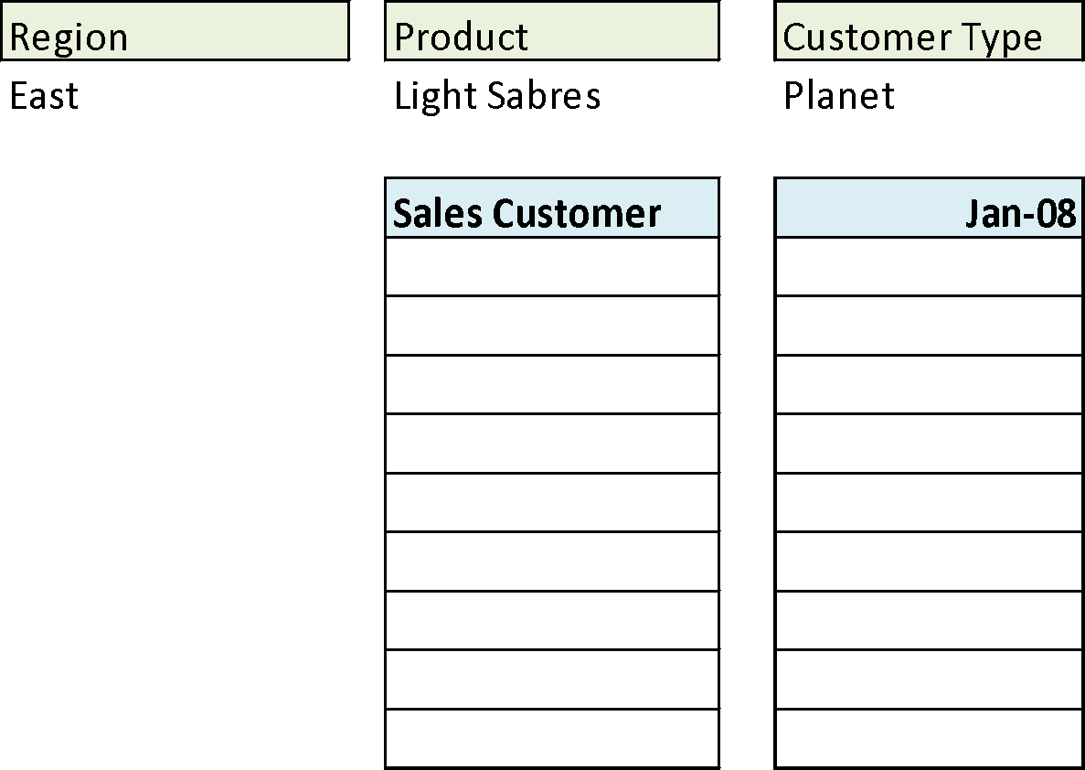
 |  |  |  |  |  |  |  | East | Glue Guns | Galaxy | Chewbacca | 125 | 130 | 143 | 144 | 151 | 164 | 175 | 180 | 188 | 206 | 211 | 231 | 241 | 249 | 264 | 280 | 300 | 308 | 329 | 342 | 345 | 349 | 361 | 381 | 5,797 | Apr 09 | 56604 | 45729 | 53768 | 156101
 |  |  |  |  |  |  |  | East | Glue Guns | Planet | James Kirk | 955 | 968 | 1,042 | 1,145 | 1,206 | 1,240 | 1,354 | 1,384 | 1,478 | 1,518 | 1,582 | 1,589 | 1,747 | 1,876 | 1,943 | 2,101 | 2,117 | 2,164 | 2,261 | 2,357 | 2,526 | 2,690 | 2,831 | 2,991 | 43,065 | May 09 | 59505 | 47937 | 56558 | 164000
 |  |  |  |  |  |  |  | East | Glue Guns | Planet | Luke Skywalker | 704 | 749 | 811 | 821 | 888 | 937 | 978 | 1,072 | 1,124 | 1,137 | 1,190 | 1,190 | 1,257 | 1,267 | 1,327 | 1,381 | 1,455 | 1,479 | 1,540 | 1,635 | 1,645 | 1,684 | 1,818 | 1,998 | 30,087 | Jun 09 | 62404 | 50275 | 58979 | 171658
 |  |  |  |  |  |  |  | East | Glue Guns | Planet | Hansolo | 65 | 69 | 70 | 76 | 82 | 88 | 88 | 94 | 102 | 102 | 108 | 111 | 117 | 126 | 127 | 135 | 144 | 149 | 161 | 176 | 190 | 190 | 201 | 210 | 2,981 | Jul 09 | 64971 | 52910 | 61653 | 179534
 |  |  |  |  |  |  |  | East | Glue Guns | Planet | Chewbacca | 858 | 908 | 947 | 976 | 997 | 1,024 | 1,086 | 1,122 | 1,170 | 1,204 | 1,316 | 1,338 | 1,341 | 1,455 | 1,462 | 1,577 | 1,734 | 1,757 | 1,779 | 1,807 | 1,809 | 1,963 | 2,148 | 2,183 | 33,961 | Aug 09 | 68625 | 55760 | 64490 | 188875
 |  |  |  |  |  |  |  | West | Light Sabres | Enterprise | James Kirk | 160 | 162 | 177 | 189 | 200 | 210 | 226 | 240 | 242 | 245 | 254 | 262 | 271 | 279 | 303 | 323 | 353 | 355 | 366 | 398 | 430 | 462 | 467 | 485 | 7,059 | Sep 09 | 71915 | 58255 | 67863 | 198033
 |  |  |  |  |  |  |  | West | Light Sabres | Enterprise | Luke Skywalker | 559 | 586 | 590 | 597 | 643 | 707 | 768 | 830 | 870 | 948 | 982 | 1,066 | 1,086 | 1,125 | 1,129 | 1,238 | 1,308 | 1,412 | 1,537 | 1,670 | 1,676 | 1,694 | 1,701 | 1,815 | 26,537 | Oct 09 | 75831 | 60384 | 70844 | 207059
 |  |  |  |  |  |  |  | West | Light Sabres | Enterprise | Hansolo | 892 | 925 | 926 | 937 | 1,006 | 1,067 | 1,073 | 1,093 | 1,194 | 1,200 | 1,206 | 1,302 | 1,362 | 1,442 | 1,532 | 1,533 | 1,587 | 1,737 | 1,884 | 1,994 | 2,153 | 2,292 | 2,314 | 2,529 | 35,180 | Nov 09 | 79977 | 62998 | 74026 | 217001
 |  |  |  |  | Row Labels | Total Sales |  | West | Light Sabres | Enterprise | Chewbacca | 26 | 28 | 29 | 30 | 31 | 34 | 34 | 38 | 39 | 40 | 41 | 44 | 46 | 46 | 47 | 50 | 52 | 54 | 55 | 57 | 59 | 64 | 69 | 75 | 1,088 | Dec 09 | 84455 | 66599 | 77766 | 228820
 |  |  |  |  | Chewbacca | 814721 |  | West | Light Sabres | Galaxy | James Kirk | 685 | 709 | 711 | 778 | 829 | 908 | 919 | 993 | 995 | 1,069 | 1,128 | 1,198 | 1,249 | 1,361 | 1,444 | 1,575 | 1,670 | 1,774 | 1,874 | 1,891 | 1,931 | 1,939 | 1,941 | 2,038 | 31,609
 |  |  |  |  | Hansolo | 791495 |  | West | Light Sabres | Galaxy | Luke Skywalker | 366 | 397 | 432 | 455 | 474 | 508 | 544 | 553 | 578 | 589 | 627 | 678 | 738 | 764 | 818 | 828 | 888 | 929 | 986 | 1,073 | 1,120 | 1,142 | 1,203 | 1,309 | 17,999
 |  |  |  |  | James Kirk | 812144 |  | West | Light Sabres | Galaxy | Hansolo | 192 | 198 | 214 | 215 | 220 | 224 | 228 | 240 | 249 | 270 | 287 | 302 | 325 | 350 | 362 | 396 | 404 | 407 | 419 | 458 | 464 | 494 | 538 | 562 | 8,018 |  | Row Labels | Sum of Total
 |  |  |  |  | Luke Skywalker | 907142 |  | West | Light Sabres | Galaxy | Chewbacca | 135 | 139 | 152 | 165 | 178 | 194 | 194 | 203 | 205 | 221 | 231 | 235 | 251 | 253 | 262 | 266 | 284 | 285 | 294 | 301 | 324 | 341 | 357 | 373 | 5,843 |  | Hansolo | 791495
 |  |  |  |  | Grand Total | 3325502 |  | West | Light Sabres | Planet | James Kirk | 177 | 184 | 201 | 219 | 241 | 254 | 269 | 279 | 287 | 304 | 331 | 340 | 361 | 366 | 376 | 406 | 428 | 433 | 442 | 459 | 475 | 508 | 554 | 567 | 8,461 |  | James Kirk | 812144
 |  |  |  |  |  |  |  | West | Light Sabres | Planet | Luke Skywalker | 213 | 224 | 242 | 246 | 270 | 283 | 295 | 305 | 324 | 339 | 342 | 365 | 388 | 412 | 433 | 463 | 486 | 503 | 526 | 570 | 625 | 626 | 649 | 657 | 9,786 |  | Chewbacca | 814721
 |  |  |  |  |  |  |  | West | Light Sabres | Planet | Hansolo | 162 | 166 | 182 | 199 | 202 | 221 | 233 | 248 | 272 | 278 | 281 | 286 | 312 | 323 | 345 | 355 | 387 | 389 | 411 | 450 | 461 | 468 | 476 | 500 | 7,607 |  | Luke Skywalker | 907142
 |  |  |  |  |  |  |  | West | Light Sabres | Planet | Chewbacca | 288 | 304 | 307 | 329 | 352 | 355 | 390 | 401 | 412 | 435 | 476 | 478 | 522 | 526 | 576 | 609 | 649 | 689 | 697 | 704 | 749 | 759 | 800 | 851 | 12,658 |  | Grand Total | 3325502
 |  |  |  |  |  |  |  | West | Transponders | Enterprise | James Kirk | 162 | 178 | 195 | 196 | 206 | 221 | 227 | 234 | 255 | 259 | 285 | 310 | 327 | 346 | 379 | 399 | 402 | 410 | 436 | 451 | 460 | 500 | 539 | 553 | 7,930
 |  |  |  |  |  |  |  | West | Transponders | Enterprise | Luke Skywalker | 436 | 438 | 471 | 492 | 511 | 546 | 558 | 591 | 614 | 623 | 656 | 689 | 753 | 755 | 800 | 862 | 926 | 955 | 1,025 | 1,046 | 1,052 | 1,084 | 1,085 | 1,086 | 18,054
 |  |  |  |  |  |  |  | West | Transponders | Enterprise | Hansolo | 71 | 71 | 74 | 77 | 79 | 83 | 90 | 98 | 107 | 115 | 123 | 132 | 145 | 153 | 162 | 175 | 192 | 200 | 216 | 226 | 231 | 246 | 248 | 258 | 3,572
 |  |  |  |  |  |  |  | West | Transponders | Enterprise | Chewbacca | 902 | 933 | 940 | 1,014 | 1,103 | 1,163 | 1,272 | 1,286 | 1,373 | 1,427 | 1,510 | 1,570 | 1,644 | 1,662 | 1,818 | 1,963 | 2,064 | 2,254 | 2,362 | 2,397 | 2,610 | 2,633 | 2,685 | 2,738 | 41,323
 |  |  |  |  |  |  |  | West | Transponders | Galaxy | James Kirk | 437 | 448 | 466 | 492 | 541 | 546 | 550 | 560 | 596 | 636 | 682 | 708 | 768 | 827 | 869 | 871 | 908 | 985 | 1,017 | 1,094 | 1,099 | 1,124 | 1,214 | 1,217 | 18,655
 |  |  |  |  |  |  |  | West | Transponders | Galaxy | Luke Skywalker | 919 | 995 | 1,044 | 1,060 | 1,114 | 1,211 | 1,280 | 1,307 | 1,359 | 1,456 | 1,594 | 1,738 | 1,899 | 1,998 | 2,189 | 2,225 | 2,245 | 2,296 | 2,406 | 2,521 | 2,564 | 2,723 | 2,810 | 2,982 | 43,935
 |  |  |  |  |  |  |  | West | Transponders | Galaxy | Hansolo | 358 | 388 | 401 | 418 | 421 | 449 | 449 | 456 | 463 | 465 | 509 | 516 | 567 | 606 | 649 | 693 | 714 | 720 | 727 | 769 | 805 | 830 | 842 | 907 | 14,122
 |  |  |  |  |  |  |  | West | Transponders | Galaxy | Chewbacca | 989 | 1,034 | 1,072 | 1,178 | 1,288 | 1,315 | 1,440 | 1,484 | 1,632 | 1,704 | 1,733 | 1,867 | 1,868 | 1,881 | 2,060 | 2,098 | 2,299 | 2,352 | 2,368 | 2,442 | 2,456 | 2,698 | 2,780 | 2,930 | 44,968
 |  |  |  |  |  |  |  | West | Transponders | Planet | James Kirk | 674 | 688 | 733 | 806 | 842 | 887 | 938 | 974 | 1,020 | 1,114 | 1,118 | 1,190 | 1,284 | 1,362 | 1,371 | 1,484 | 1,491 | 1,542 | 1,603 | 1,655 | 1,741 | 1,793 | 1,804 | 1,808 | 29,922
 |  |  |  |  |  |  |  | West | Transponders | Planet | Luke Skywalker | 815 | 874 | 920 | 992 | 1,026 | 1,073 | 1,092 | 1,121 | 1,168 | 1,214 | 1,252 | 1,347 | 1,409 | 1,466 | 1,559 | 1,610 | 1,621 | 1,693 | 1,771 | 1,798 | 1,919 | 2,016 | 2,024 | 2,225 | 34,005
 |  |  |  |  |  |  |  | West | Transponders | Planet | Hansolo | 205 | 216 | 217 | 236 | 251 | 275 | 278 | 299 | 328 | 349 | 376 | 408 | 444 | 446 | 451 | 478 | 500 | 505 | 509 | 554 | 571 | 623 | 642 | 676 | 9,837
...
 | 6 | 6.1 | 25 |  | Create a Dashboard(format as shown in the picture) using the Table C
 |  |  |  |  |  |  |  | West | Glue Guns | Enterprise | Luke Skywalker
 |  |  |  |  |  |  |  | West | Glue Guns | Enterprise | Hansolo
 |  |  |  |  |  |  |  | West | Glue Guns | Enterprise | Chewbacca
 |  |  |  |  |  |  |  | West | Glue Guns | Galaxy | James Kirk
 |  |  |  |  |  |  |  | West | Glue Guns | Galaxy | Luke Skywalker
 |  |  |  |  |  |  |  | West | Glue Guns | Galaxy | Hansolo
 |  |  |  |  |  |  |  | West | Glue Guns | Galaxy | Chewbacca
 |  |  |  |  |  |  |  | West | Glue Guns | Planet | James Kirk
 |  |  |  |  |  |  |  | West | Glue Guns | Planet | Luke Skywalker
 |  |  |  |  |  |  |  | West | Glue Guns | Planet | Hansolo
 |  |  |  |  |  |  |  | West | Glue Guns | Planet | Chewbacca
 |  |  |  |  |  |  |  | North | Light Sabres | Enterprise | James Kirk
 |  |  |  |  |  |  |  | North | Light Sabres | Enterprise | Luke Skywalker
 |  |  |  |  |  |  |  | North | Light Sabres | Enterprise | Hansolo
 |  |  |  |  |  |  |  | North | Light Sabres | Enterprise | Chewbacca
 |  |  |  |  |  |  |  | North | Light Sabres | Galaxy | James Kirk
 |  |  |  |  |  |  |  | North | Light Sabres | Galaxy | Luke Skywalker
 |  |  |  |  |  |  |  | North | Light Sabres | Galaxy | Hansolo
 |  |  |  |  |  |  |  | North | Light Sabres | Galaxy | Chewbacca
 |  |  |  |  |  |  |  | North | Light Sabres | Planet | James Kirk
 |  |  |  |  |  |  |  | North | Light Sabres | Planet | Luke Skywalker
 |  |  |  |  |  |  |  | North | Light Sabres | Planet | Hansolo
 |  |  |  |  |  |  |  | North | Light Sabres | Planet | Chewbacca
 |  |  |  |  |  |  |  | North | Transponders | Enterprise | James Kirk
 |  |  |  |  |  |  |  | North | Transponders | Enterprise | Luke Skywalker
 |  |  |  |  |  |  |  | North | Transponders | Enterprise | Hansolo
 |  |  |  |  |  |  |  | North | Transponders | Enterprise | Chewbacca
 |  |  |  |  |  |  |  | North | Transponders | Galaxy | James Kirk
 |  |  |  |  |  |  |  | North | Transponders | Galaxy | Luke Skywalker
 |  |  |  |  |  |  |  | North | Transponders | Galaxy | Hansolo
 |  |  |  |  |  |  |  | North | Transponders | Galaxy | Chewbacca
 |  |  |  |  |  |  |  | North | Transponders | Planet | James Kirk
 |  |  |  |  |  |  |  | North | Transponders | Planet | Luke Skywalker
...

